About PCI DSSv4
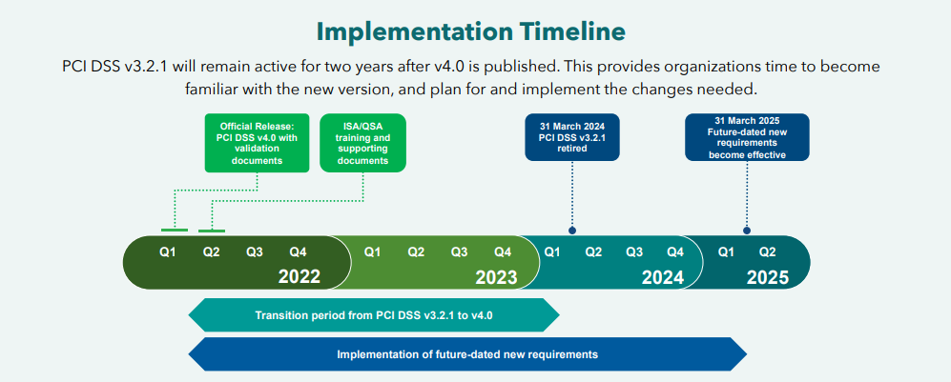
Source: | Official PCI Security Standards Council Site - Verify PCI Compliance, Download Data Security and Credit Card Security Standards

It can be helpful to have content in this format to facilitate learning and the creation of related artifacts and mappings.
PLEASE DEFER TO THE PCI SSC FOR ANY OFFICIAL USE - THIS IS UNOFFICIALLY PROVIDED AS A HELPFUL RESOURCE FOR LEARNING PURPOSES ONLY.

Original Content: Keeps tables in the same organization as the original. All text is retained.
Nested Content: Recognizes the intentional nesting of content. Example given:

 | X.Y | is used as a top-level control descriptor for the items under it and never has a testing procedure.
 | X.Y.Z | is used as the primary control descriptor which always has a testing procedure.

 | Nested Content is therefore….
 | Top Level | Control ID | Test
 | X.Y | X.Y.Z | Ensure…

